Rolled Shapes

 |  | High Structural Erectors, LLC |  |  |  | Made By: | WJL | 2022-12-23
 |  | Lancaster, PA |  |  |  | Checked By: | BJT | 2022-12-28

 |  | Job Title/Number: |  | N/A
 |  | Subject: | AISC Chapter E - Design of Members for Compression - Rolled Shapes
 |  |  | AISC Steel Construction Manual, 15th Edition, AISC 360-16

Input
 | Select an AISC Standard Shape Profile |  |  |  |  | W16X50
 | Select Design Methodology |  |  |  |  | ASD
 | Yield Strength of Steel |  |  |  | Fy = | 50.00 | ksi
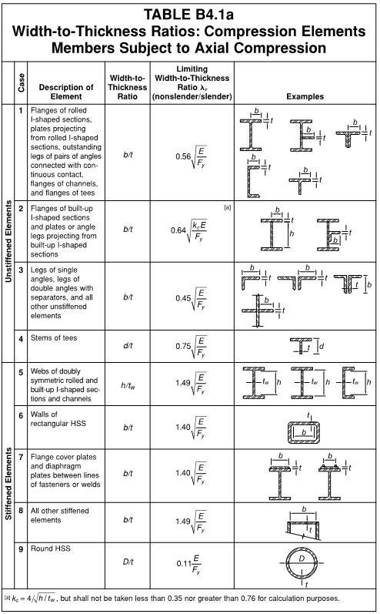
 | Unbraced length, X-X axis |  |  |  | Lx = | 15.00 | ft
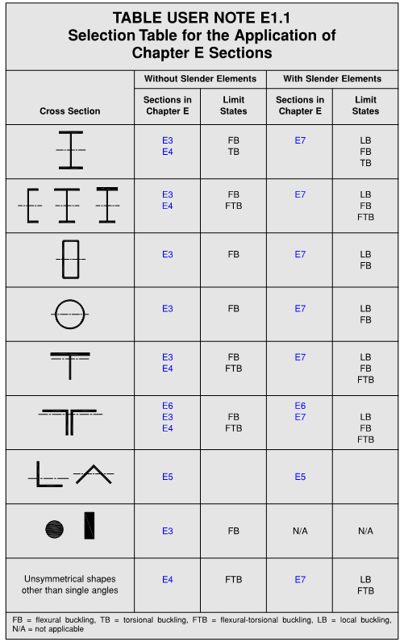
 | Unbraced length, Y-Y axis |  |  |  | Ly = | 15.00 | ft
 | Effective length factor, X-X axis |  |  |  | kx = | 1.00
 | Effective length factor, Y-Y axis |  |  |  | ky = | 1.00
 | Table B4.1a Case (Element 1) |  |  |  |  | 1
 | Table B4.1a Case (Element 2) |  |  |  |  | 5
 | Table E1.1 Cross Section |  |  |  |  | 1

E1. General Provisions
 | Resistance / Safety Factor |  |  |  | Ω = | 1.67

 | Section Properties
 | Gross Section Area |  |  |  | Ag = | 14.70
 | Moment of Inertia, X-X axis |  |  |  | Ix = | 659.00 | in4
 | Radius of Gyration, X-X axis |  |  |  | rx = | 6.68 | in
 | Moment of Inertia, Y-Y axis |  |  |  | Iy = | 37.20 | in4
 | Radius of Gyration, Y-Y axis |  |  |  | ry = | 1.59 | in

 | Constants
 | Modulus of Elasticity for Steel |  |  |  | E = | 29000 | ksi

 | Section Element Slenderness |  |  |  |  | λ | λr | Status
 | Element 1 width-to-thickness ratio |  |  |  | b/t = | 5.61 | 13.486585928 | Nonslender
 | Element 2 w.t.r. (if applicable) |  |  |  | h/t = | 37.4 | 35.883951845 | Slender

E2. Effective Length
 | In the X-X direction |  |  |  | Lcx = kx * Lx = | 15.00 | ft
 | Slenderness ratio |  |  |  | Lcx / rx = | 26.95 | ≤ 200 ∴ OK
 | In the Y-Y direction |  |  |  | Lcy = ky * Ly = | 15.00 | ft
 | Slenderness ratio |  |  |  | Lcy / ry = | 113.21 | ≤ 200 ∴ OK

Plate Girders

 |  | High Structural Erectors, LLC |  |  |  | Made By: | WJL | 2022-12-23
 |  | Lancaster, PA |  |  |  | Checked By: | BJT | 2022-12-28

 |  | Job Title/Number: |  | N/A
 |  | Subject: | AISC Chapter E - Design of Members for Compression - Plate Girders
 |  |  | AISC Steel Construction Manual, 15th Edition, AISC 360-16

Input
 | Top Flange Plate width |  |  |  | bftop = | 18 | in
 | Top Flange Plate thickness |  |  |  | tftop = | 1.125 | in
 | Web Plate depth |  |  |  | hw = | 72.00 | in
 | Web Plate thickness |  |  |  | tw = | 0.40 | in
 | Bottom Flange Plate width |  |  |  | bfbottom = | 22.00 | in
 | Bottom Flange Plate thickness |  |  |  | tfbottom = | 2.13 | in
 | Yield Strength |  |  |  | Fy = | 50.00 | ksi
 | Unbraced length, X-X axis |  |  |  | Lx = | 15.00 | ft
 | Unbraced length, Y-Y axis |  |  |  | Ly = | 15.00 | ft
 | Effective length factor, X-X axis |  |  |  | kx = | 1.00
 | Effective length factor, Y-Y axis |  |  |  | ky = | 1.00
 | Select Design Methodology |  |  |  |  | ASD
 | Table E1.1 Cross Section |  |  |  |  | 1
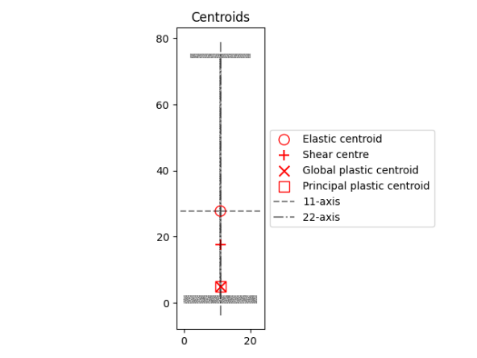
 |  |  |  | Calculated Properties |  |  | X-X Axis | Y-Y Axis | units
 |  |  |  | Gross Area |  | Ag = | 95.80 |  | in2
 |  |  |  | Moment of inertia |  | I = | 93471.12 | 2432.72 | in4
 |  |  |  | Radius of gyration |  | r = | 31.24 | 5.04 | in
 |  |  |  | Torsional Constant |  | J = | 76.11 |  | in4
 |  |  |  | Warping Constant |  | Cw = | 2298206.75 |  | in6
 |  |  |  | Top Section Modulus |  | Stop = | 1968.52 | 221.16 | in3
 |  |  |  | Bottom Section Modulus |  | Sbottom = | 3366.25 |  | in3
 |  |  |  | Height of ENA |  | c = | 11.00 | 27.77 | in
 |  |  |  | Plastic Modulus |  | Z = | 2552.56 | 351.13 | in3
 |  |  |  | Height of PNA |  | yp = | 11.00 | 5.00 | in

E1. General Provisions
 | Resistance / Safety Factor |  |  |  | Ω = | 1.67

 | Constants
 | Modulus of Elasticity for Steel |  |  |  | E = | 29000 | ksi
 | Coefficient for slender, unstiffened elements |  |  |  | kc = | 0.35

 | Classification of Slenderness |  |  |  |  | λ | λr | Status
 | Top Flange |  |  |  | bftop / 2*tftop = | 8.00 | 9.12 | Nonslender
 | Web |  |  |  | h / tw = | 180.00 | 35.88 | Slender
 | Bottom Flange |  |  |  | bfbottom / 2*tfbottom = | 5.18 | 9.12 | Nonslender

E2. Effective Length
 | In the X-X direction |  |  |  | Lcx = kx * Lx = | 15.00 | ft
 | Slenderness ratio |  |  |  | Lcx / rx = | 5.76 | ≤ 200 ∴ OK
 | In the Y-Y direction |  |  |  | Lcy = ky * Ly = | 15.00 | ft
 | Slenderness ratio |  |  |  | Lcy / ry = | 35.72 | ≤ 200 ∴ OK

DXF Input
 |  | High Structural Erectors, LLC |  |  |  | Made By: | WJL | 2022-12-23
 |  | Lancaster, PA |  |  |  | Checked By: | BJT | 2022-12-28

 |  | Job Title/Number: |  | N/A
 |  | Subject: | AISC Chapter E - Design of Members for Compression - Custom Shape
 |  |  | AISC Steel Construction Manual, 15th Edition, AISC 360-16
 |  |  |  |  |  |  |  |  | C:\Users\wlynes\OneDrive - high.net\Projects\2220805 Polk St PG\STAAD\dxf\GirderSection.dxf
Input
 | Yield Strength |  |  |  | Fy = | 50.00 | ksi
 | Unbraced Length, local x axis |  |  |  | Lx = | 31.00 | ft
 | Unbraced Length, local y axis |  |  |  | Ly = | 31.00 | ft
 | Effective length factor, x |  |  |  | kx = | 1.00
 | Effective length factor, y |  |  |  | ky = | 1.00
 | Design Methodology |  |  |  |  | ASD

Constants
 | Young's Modulus |  |  |  | E = | 29000 | ksi
 | Shear Modulus |  |  |  | G = | 11200 | ksi

Calculated Properties |  |  |  |  | X-X Axis | Y-Y Axis | units
 | Gross Area |  |  | Ag = | 95.80 |  | in2
 | Moment of inertia |  |  | I = | 93471.12 | 2432.72 | in4
 | Radius of gyration |  |  | r = | 31.24 | 5.04 | in
 | Torsional Constant |  |  | J = | 76.11 |  | in4
 | Warping Constant |  |  | Cw = | 2298206.75 |  | in6
 | Section Modulus+ |  |  | Stop = | 1968.52 | 221.16 | in3
 | Section Modulus- |  |  | Sbottom = | 3366.25 |  | in3
 | Height of ENA |  |  | c = | 11.00 | 27.77 | in
 | Plastic Modulus |  |  | Z = | 2552.56 | 351.13 | in3
 | Sectional symmetry |  |  | Symmetry =

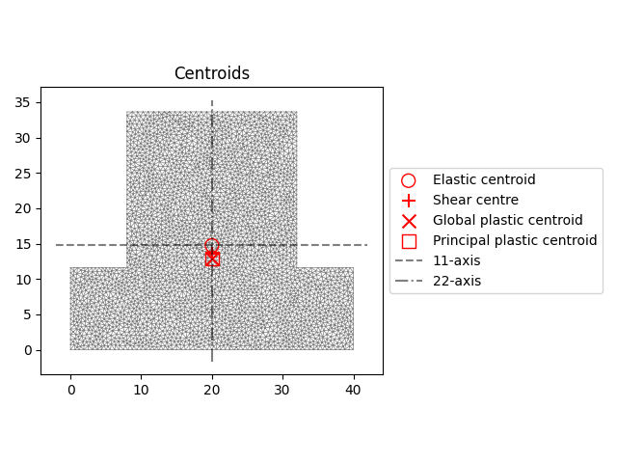

E1. General Provisions
 | Resistance / Safety Factor |  |  |  | #REF! | 1.67

 | Constants
 | Modulus of Elasticity for Steel |  |  |  | E = | 29000 | ksi
 | Coefficient for slender, unstiffened elements |  |  |  | kc = | 0.35

 | Classification of Slenderness |  |  |  |  | λ | λr | Status
 | Top Flange |  |  |  | bftop / 2*tftop = | 8.00 | 9.12 | Nonslender
 | Web |  |  |  | h / tw = | 180.00 | 35.88 | Slender
 | Bottom Flange |  |  |  | bfbottom / 2*tfbottom = | 5.18 | 9.12 | Nonslender

E2. Effective Length
 | In the X-X direction |  |  |  | Lcx = kx * Lx = | 15.00 | ft
 | Slenderness ratio |  |  |  | Lcx / rx = | 5.76 | ≤ 200 ∴ OK
 | In the Y-Y direction |  |  |  | Lcy = ky * Ly = | 15.00 | ft
 | Slenderness ratio |  |  |  | Lcy / ry = | 35.72 | ≤ 200 ∴ OK

